HVAC


PIONEER SERVICES

M/s Meezan Bank Head Office
 |  |  | Date | 26 Mar 2025
Attn: Mr. Shahbaz Shahzad |  |  | Invoice # | 001
PIONEER SERVICES

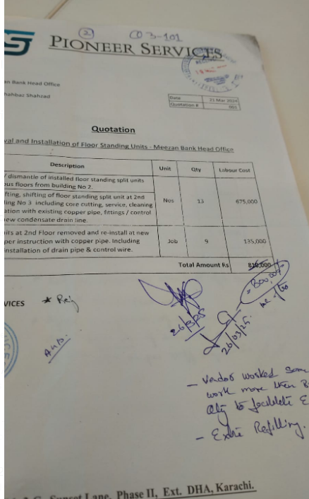
INVOICE
Removal and Installation of Floor Standing Units - Meezan Bank Head Office

S. # | Description | Unit | Qty | Labour Cost
1 | Removal / dismantle of installed floor standing split units from various floors from building No 2. | Nos | 13 | 675,000
2 | Regging, lifting, shifting of floor standing split unit at 2nd Floor building No 3 including core cutting, service, cleaning and installation with existing copper pipe, fittings / control wire with new condensate drain line.
3 | Installed units at 2nd Floor removed and re-install at new location as per instruction with copper pipe. Including supply and installation of drain pipe & control wire. | Job | 9 | 135,000
Total Amount Rs |  |  |  | 810,000
Discount |  |  |  | 114,348
Total Amount after discount Rs |  |  |  | 695,652
SST 15% |  |  |  | 104,348
Grand Total Amount Rs |  |  |  | 800,000

For PIONEER SERVICES
 |  |  |  |  | 800000
 | Less 4% withholding tax |  |  | 32,000
 | Less 20% SST withheld (20% of 104,348) |  |  | 20,870 | 695652.17391
 | Amount transferred |  |  | 747,130

